Sheet1
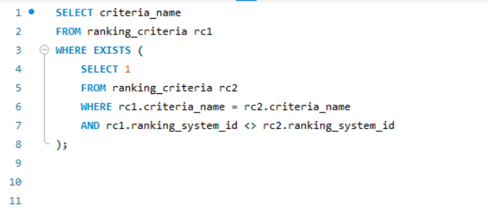
Are there any criteria that have different weights in different ranking systems?

